Labour Saving
 |  |  |  | HMT MS Concrete Test Specimen Measuring Station

 |  |  | How this Laboratory Equipment adds value to you

 | Labour |  | Task |  | Process
Cost Per Hour |  |  | Daily Workload |  | Manual Process
Level 1 | $20.00 | $39,520.00 | 100 | Cylinders per day | 60 | minutes
Level 2 | $25.00 | $49,400.00 | 38 | Hours per week | 45 | cylinders per Hour
Level 3 | $30.00 | $59,280.00 | 5 | Days per week | 0.75 | cylinders per min
Level 4 | $35.00 | $69,160.00 | 7.6 | Hours per day | Auto Dimensioner
Level 5 | $40.00 | $79,040.00 | 257 | Work days per annum | 60 | minutes
 |  |  |  |  | 180 | cylinders per Hour
 |  |  |  |  | 3 | cylinders per min
 |  |  | Change input |  | $32,000 | Unit price
SAVINGS |  |  | Manual Process | Auto Dim | Saving per day | Saving per Month | Saving per annum | Payback years
Total cost per day for level 1 |  |  | $44.44 | $11.11 | $33.33 | $1,033 | $8,567 | 3.7
Total cost per day for level 2 |  |  | $55.56 | $13.89 | $41.67 | $1,292 | $10,708 | 3.0
Total cost per day for level 3 |  |  | $66.67 | $16.67 | $50.00 | $1,550 | $12,850 | 2.5
Total cost per day for level 4 |  |  | $77.78 | $19.44 | $58.33 | $1,808 | $14,992 | 2.1
Total cost per day for level 5 |  |  | $88.89 | $22.22 | $66.67 | $2,067 | $17,133 | 1.9
*Assumptions based on Australian labout cost including on cost , values are in $ Aud
*Adjust inputs as required

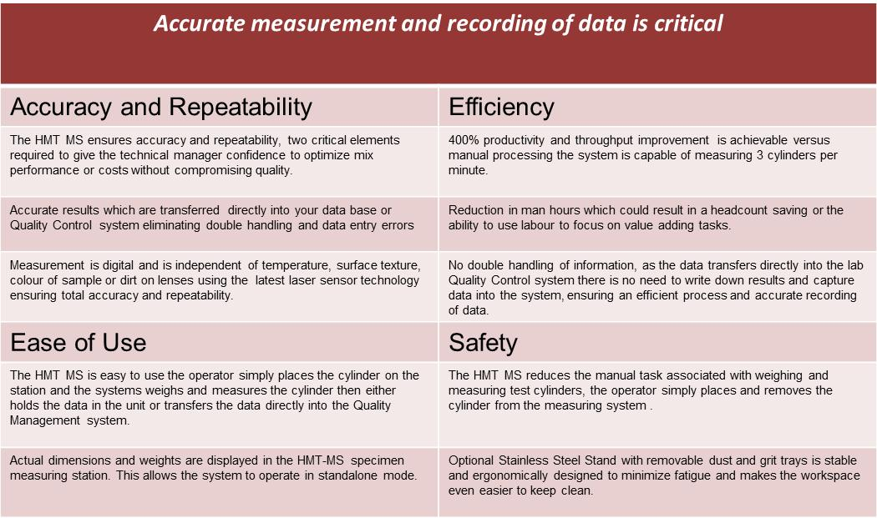
13-Dec-12

